Delivery Types
Delivery Types

 | In the Copy module sites can choose their delivery options when they submit a copy ticket.
 | Please complete the table below to define the delivery types that will be used your site. Feel free to add any additional delivery methods that may be specific to your site.
 | After adding the types, define the order that you would like the delivery types to appear on the ticket.

 | The screenshot shows examples of delivery types.
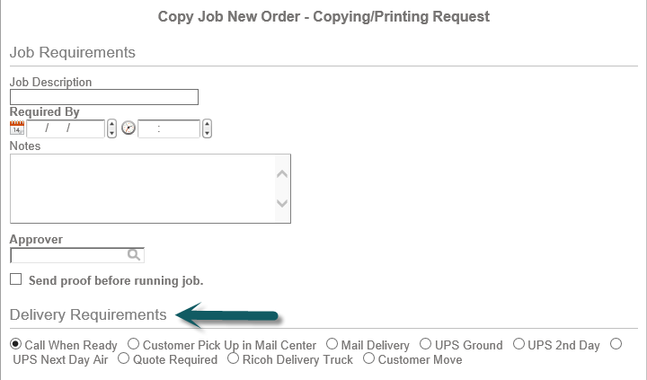
 |  | Type | Order
 |  | FedEx Ground | 5
 |  | Call when ready | 2
 |  | Hold for pick-up | 3
 |  | Deliver when ready | 4
 |  | Ship-enter details in Notes section | 1
 |  | FedEx Next Day | 6

